Sheet1
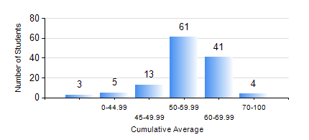
 |  |  | KWAME NKRUMAH UNIVERSITY OF SCIENCE AND TECHNOLOGY, KUMASI Department of Mechanical Engineering

 |  |  | BSC. AUTOMOBILE ENG.

 |  |  | COMPREHENSIVE RECORD OF EXAMINATION RESULTS

 |  |  | RESULTS OF YEAR 2 SECOND SEMESTER, 2021/2022 ACADEMIC YEAR

 | Sn | Course Code |  | Course Name | Credit Hours | Min. Mark | Max. Mark | Avg. Mark | Std. Dev. | No. Passed | No. Trailed | No. (Df) | No. (I) | No. (I*) | No. Tagged(I,I*,Df) | Total
 | 0. |  |  |  |  |  |  | 0 | 0 | 0 | 0 | 0 | 0 | 0 | 0 | 5
 | 1. | AME 274 |  | DESIGN OF AUTO MACHINE ELEMENTS | 3 | 26 | 92 | 55 | 14.56 | 113 | 9 | 0 | 0 | 0 | 0 | 122
 | 2. | AME 284 |  | AUTOMOTIVE ELECTRICAL SYSTEMS AND ELECTRONICS | 2 | 35 | 88 | 56 | 11.86 | 120 | 1 | 0 | 1 | 0 | 1 | 122
 | 3. | AME 296 |  | AUTOMOBILE ENGINEERING LABORATORY II | 1 | 8 | 80 | 59 | 19.18 | 109 | 13 | 0 | 0 | 0 | 0 | 122
 | 4. | MATH 252 |  | CALCULUS WITH SEVERAL VARIABLES | 4 | 31 | 80 | 57 | 10.65 | 118 | 4 | 0 | 0 | 0 | 0 | 122
 | 5. | ME 252 |  | FLUID DYNAMICS I | 2 | 20 | 86 | 52 | 12.13 | 114 | 7 | 0 | 1 | 0 | 1 | 122
 | 6. | ME 264 |  | MECHANISM SYNTHESIS AND ANALYSIS 1 | 3 | 2 | 86 | 51 | 15.63 | 107 | 15 | 0 | 0 | 0 | 0 | 122
 | 7. | ME 270 |  | MANUFACTURING TECHNOLOGY | 3 | 41 | 78 | 59 | 7.71 | 122 | 0 | 0 | 0 | 0 | 0 | 122

